Sheet3
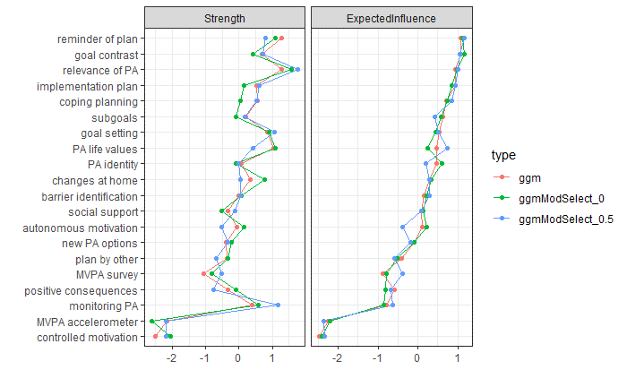
 | MVPA survey | MVPA accelerometer | goal setting | implementation plan | plan by other | reminder of plan | subgoals | new PA options | barrier identification | coping planning | PA identity | PA life values | positive consequences | goal contrast | relevance of PA | changes at home | social support | controlled motivation | monitoring | PA autonomous motivation
MVPA survey | 0.00 | 0.13 | 0.00 | 0.00 | 0.17 | 0.00 | 0.00 | 0.14 | 0.00 | 0.00 | 0.00 | 0.00 | 0.00 | 0.00 | 0.00 | 0.00 | 0.00 | 0.00 | 0.00 | 0.31
MVPA accelerometer | 0.13 | 0.00 | 0.00 | 0.00 | 0.00 | 0.00 | 0.00 | 0.00 | 0.00 | 0.00 | 0.00 | 0.00 | 0.00 | 0.00 | 0.00 | 0.00 | 0.00 | 0.00 | 0.00 | 0.07
goal setting | 0.00 | 0.00 | 0.00 | 1.31 | 0.00 | 0.17 | 0.00 | 0.22 | 0.00 | 0.39 | 0.00 | 0.00 | 0.00 | 0.00 | 0.00 | 0.00 | 0.24 | 0.00 | 0.00 | 0.20
implementation plan | 0.00 | 0.00 | 1.31 | 0.00 | 0.48 | 0.21 | 0.44 | 0.00 | 0.00 | 0.00 | 0.00 | 0.00 | 0.00 | 0.28 | 0.00 | 0.00 | 0.00 | 0.00 | 0.00 | 0.22
plan by other | 0.17 | 0.00 | 0.00 | 0.48 | 0.00 | 0.51 | 0.40 | 0.00 | 0.00 | 0.00 | 0.00 | 0.00 | 0.00 | 0.00 | 0.00 | 0.00 | 0.00 | 0.00 | 0.09 | 0.00
reminder of plan | 0.00 | 0.00 | 0.17 | 0.21 | 0.51 | 0.00 | 0.70 | 0.26 | 0.36 | 0.22 | 0.00 | 0.00 | 0.00 | 0.24 | 0.00 | 0.00 | 0.00 | 0.00 | 0.45 | 0.00
subgoals | 0.00 | 0.00 | 0.00 | 0.44 | 0.40 | 0.70 | 0.00 | 0.38 | 0.00 | 0.50 | 0.23 | 0.28 | 0.00 | 0.13 | 0.00 | 0.00 | 0.00 | 0.00 | 0.06 | 0.00
new PA options | 0.14 | 0.00 | 0.22 | 0.00 | 0.00 | 0.26 | 0.38 | 0.00 | 0.20 | 0.00 | 0.23 | 0.26 | 0.00 | 0.10 | 0.00 | 0.22 | 0.00 | 0.00 | 0.09 | 0.13
barrier identification | 0.00 | 0.00 | 0.00 | 0.00 | 0.00 | 0.36 | 0.00 | 0.20 | 0.00 | 1.10 | 0.38 | 0.28 | 0.00 | 0.00 | 0.00 | 0.00 | 0.00 | 0.00 | 0.00 | 0.00
coping planning | 0.00 | 0.00 | 0.39 | 0.00 | 0.00 | 0.22 | 0.50 | 0.00 | 1.10 | 0.00 | 0.49 | 0.44 | 0.00 | 0.00 | 0.00 | 0.00 | 0.00 | 0.00 | 0.00 | 0.00
PA identity | 0.00 | 0.00 | 0.00 | 0.00 | 0.00 | 0.00 | 0.23 | 0.23 | 0.38 | 0.49 | 0.00 | 0.83 | 0.20 | 0.00 | 0.31 | 0.00 | 0.00 | 0.00 | 0.00 | 0.00
PA life values | 0.00 | 0.00 | 0.00 | 0.00 | 0.00 | 0.00 | 0.28 | 0.26 | 0.28 | 0.44 | 0.83 | 0.00 | 0.18 | 0.16 | 0.20 | 0.00 | 0.00 | 0.00 | 0.00 | 0.09
positive consequences | 0.00 | 0.00 | 0.00 | 0.00 | 0.00 | 0.00 | 0.00 | 0.00 | 0.00 | 0.00 | 0.20 | 0.18 | 0.00 | 0.00 | 0.91 | 0.00 | 0.00 | 0.00 | 0.00 | 0.00
goal contrast | 0.00 | 0.00 | 0.00 | 0.28 | 0.00 | 0.24 | 0.13 | 0.10 | 0.00 | 0.00 | 0.00 | 0.16 | 0.00 | 0.00 | 0.87 | 0.31 | 0.24 | 0.00 | 0.45 | 0.07
relevance of PA | 0.00 | 0.00 | 0.00 | 0.00 | 0.00 | 0.00 | 0.00 | 0.00 | 0.00 | 0.00 | 0.31 | 0.20 | 0.91 | 0.87 | 0.00 | 0.34 | 0.37 | 0.00 | 0.00 | 0.27
changes at home | 0.00 | 0.00 | 0.00 | 0.00 | 0.00 | 0.00 | 0.00 | 0.22 | 0.00 | 0.00 | 0.00 | 0.00 | 0.00 | 0.31 | 0.34 | 0.00 | 0.59 | 0.00 | 0.35 | 0.00
social support | 0.00 | 0.00 | 0.24 | 0.00 | 0.00 | 0.00 | 0.00 | 0.00 | 0.00 | 0.00 | 0.00 | 0.00 | 0.00 | 0.24 | 0.37 | 0.59 | 0.00 | 0.00 | 0.00 | 0.00
controlled motivation | 0.00 | 0.00 | 0.00 | 0.00 | 0.00 | 0.00 | 0.00 | 0.00 | 0.00 | 0.00 | 0.00 | 0.00 | 0.00 | 0.00 | 0.00 | 0.00 | 0.00 | 0.00 | 0.00 | 0.00
monitoring | 0.00 | 0.00 | 0.00 | 0.00 | 0.09 | 0.45 | 0.06 | 0.09 | 0.00 | 0.00 | 0.00 | 0.00 | 0.00 | 0.45 | 0.00 | 0.35 | 0.00 | 0.00 | 0.00 | 0.00
PA autonomous motivation | 0.31 | 0.07 | 0.20 | 0.22 | 0.00 | 0.00 | 0.00 | 0.13 | 0.00 | 0.00 | 0.00 | 0.09 | 0.00 | 0.07 | 0.27 | 0.00 | 0.00 | 0.00 | 0.00 | 0.00

